pvtSalesByMonth
Salesperson | (All) |  |  | Order Year | (All)
 |  |  |  | Salesperson | (All)
Sum of ExtendedPrice | Year
Row Labels | 2019 | 2020 | Grand Total | Row Labels | Count of OrderID | Sum of Target
Jan | 27861.89 | 51020.83 | 78882.72 | Jan | 136 | 10
Feb | 22748.97 | 47287.66 | 70036.63 | Feb | 144 | 10
Mar | 28829.7 | 49263.89 | 78093.59 | Mar | 155 | 10
Apr | 31590.3 | 71719.83 | 103310.13 | Apr | 167 | 10
May | 50123.68 | 44928.54 | 95052.22 | May | 169 | 10
Jun | 42658.21 | 64694 | 107352.21 | Jun | 181 | 10
Jul | 56811.44 | 96822.13 | 153633.57 | Jul | 237 | 10
Aug | 47201.45 | 103519.69 | 150721.14 | Aug | 219 | 10
Sep | 35124.51 | 104854.13 | 139978.64 | Sep | 250 | 10
Oct | 56455.65 | 129247.26 | 185702.91 | Oct | 276 | 10
Nov | 53781.28 | 12885.05 | 66666.33 | Nov | 145 | 10
Dec | 36362.79 |  | 36362.79 | Dec | 76 | 10
Grand Total | 489549.87 | 776243.01 | 1265792.88 | Grand Total | 2155 | 10

pvtSalesByQuarter
Order Year | (All)
Salesperson | (All)

Row Labels | Sum of ExtendedPrice
Qtr1 | 227012.94
Qtr2 | 305714.56
Qtr3 | 444333.35
Qtr4 | 288732.03
Grand Total | 1265792.88

Summary
Summary Data

 |  | Sales 2019 |  |  |  |  |  |  |  |  |  |  |  |  | ★
Salespeople | Total Sales 2018 | Jan | Feb | Mar | Apr | May | Jun | Jul | Aug | Sep | Oct | Nov | Dec | Total Sales 2019 | Increase? | Trends
Chloe Summers | 103956.97 | 11860.45 | 1492.37 | 5462.7 | 10294.33 | 14736.06 | 6099.2 | 16945.01 | 18913.44 | 5230.08 | 13475.99 | 6915.27 | 4082.84 | 115507.74 | 11%
Cindy Wong | 24460.11 | 1638.82 |  | 1420 | 1393.2 | 3901.08 | 10030.82 |  |  | 2520.4 |  | 4500.27 | 3037.4 | 28441.99 | 16%
Sam Achebe | 71888.52 | 1614.88 | 4707.2 | 7499.7 | 1497 | 11998.82 | 8446.91 | 7331.6 | 1946.4 | 5124.07 | 240 | 9115.96 | 5468.35 | 64990.89 | -10%
Kevin Stroud | 48388.1 | 1685.2 | 8263.8 | 4832.3 | 385.2 | 704.8 | 4603.22 | 8350.57 | 7403.36 | 4436.48 | 1060 | 4402.4 | 2262.91 | 48390.24 | 0%
Lisa Beddard | 16719.13 | 4364.3 |  |  | 5364.21 |  | 166 | 966.8 |  | 1505.18 | 564.8 | 139.8 | 3482.5 | 16553.59 | -1%
Maya Diaz | 54156.21 | 1176 | 1814 | 2950.8 | 5164 | 2924.8 | 5221.86 | 5565.48 | 1584 | 2844.9 | 13118.65 | 4373.32 | 6882.2 | 53620.01 | -1%
Paul Nielsen | 48649.56 |  | 479.4 | 1206.6 | 3624.48 | 9921.68 |  | 11217.34 | 3891 | 668.8 | 8150.16 | 5536.96 | 2082 | 46778.42 | -4%
Gio Maletti | 78491.37 | 2963.22 | 3452.08 | 1762 | 3579.88 | 3707.98 | 2758.8 | 5054.64 | 12139.01 | 11599.4 | 10252.55 | 18049.6 | 5599.78 | 80918.94 | 3%
Shashi Singh | 32630.65 | 2559.02 | 2540.12 | 3695.6 | 288 | 2228.46 | 5331.4 | 1380 | 1324.24 | 1195.2 | 9593.5 | 747.7 | 3464.81 | 34348.05 | 5%

Select Salesperson: | Cindy Wong
Sales May-Oct 2019
Sales by Region
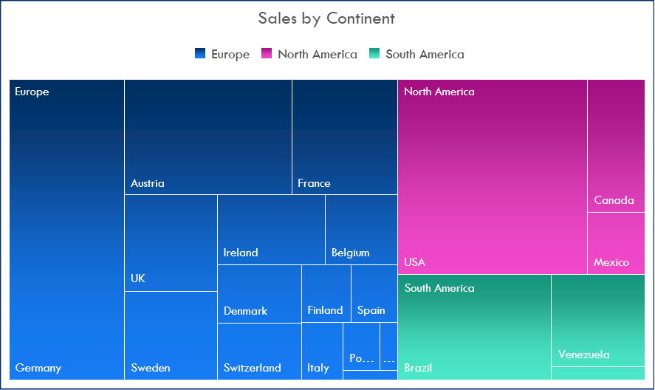

Country | Sales 2019 | Latitude | Longitude
Argentina | 1098.1 | -38.416097 | -63.616672
Austria | 50305.29 | 47.516231 | 14.550072
Belgium | 13362.18 | 50.503887 | 4.469936
Brazil | 34467.46 | -14.235004 | -51.92528
Canada | 25688.54 | 56.130366 | -106.346771
Denmark | 17494 | 56.26392 | 9.501785
Finland | 12182.76 | 61.92411 | 25.748151
France | 40961.82 | 46.227638 | 2.213749
Germany | 89354.24 | 51.165691 | 10.451526
Ireland | 17513.3 | 53.41291 | -8.24389
Italy | 4054.33 | 41.87194 | 12.56738
Mexico | 16513.71 | 23.634501 | -102.552784
Norway | 1258.4 | 60.472024 | 8.468946
Poland | 459 | 51.919438 | 19.145136
Portugal | 7261.42 | 39.399872 | -8.224454
Spain | 4152.7 | 40.463667 | -3.74922
Sweden | 18397.47 | 60.128161 | 18.643501
Switzerland | 10400.32 | 46.818188 | 8.227512
UK | 25014.04 | 55.378051 | -3.435973
USA | 77362.31 | 37.09024 | -95.712891
Venezuela | 22248.48 | 6.42375 | -66.58973

Dashboard

Mini Sales Dashboard

 | Count of OrderID | Sum of Target
Jan | 136 | 10
Feb | 144 | 10
Mar | 155 | 10
Apr | 167 | 10
May | 169 | 10
Jun | 181 | 10
Jul | 237 | 10
Aug | 219 | 10
Sep | 250 | 10
Oct | 276 | 10
Nov | 145 | 10
Dec | 76 | 10
 | Total
Qtr1 | 227012.94
Qtr2 | 305714.56
Qtr3 | 444333.35
Qtr4 | 288732.03

